Test Cases-Create Analyst
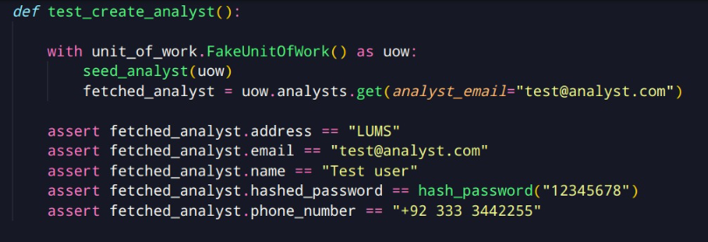
Note: Write test cases for each use case separately. All of your test cases must be in a single excel file. However, test cases for each use case must be in a separate sheet in the file. Copy the template below and modify it as needed for different use cases.

Test Case ID | T01 | Use Case Name | Create Analyst
Test Created by | Suleman Mahmood | Test executed by | Ali Asghar
Test Case Prioroty | High | Test Case Objectives | Check the functionality of creating new analyst
Test browser/platform | OS: Windows 10, Borwser: Google Chrome
Pre-conditions | None
Post-conditions | New analyst is created

Step No | User actions |  | Inputs | System response | Expected Outputs | Actual Output | Test Result (Pass/Fail) | Comments
1 | The user chooses to register as investor. |  | Click Register | A list of input text cells are shown.
2 | The user enters his name, email, address, password and phone number. |  | name, email, address, password, phone number

3 | The user enters confirms. |  | Press Confirm
4 | The user password is hashed and is registered as analyst.

Test Case Execution Result |  | Passed

Test Cases-Analyst Login
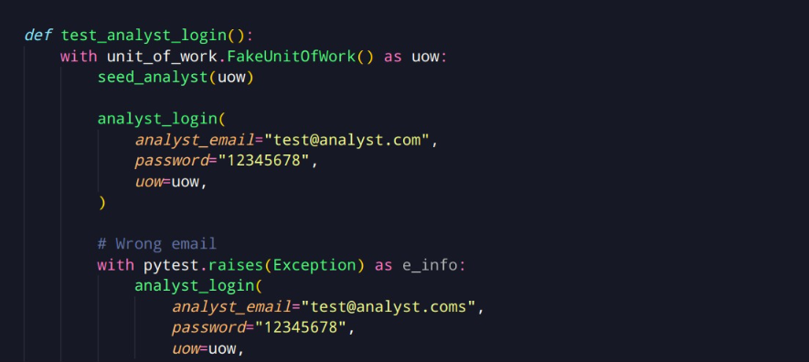
Note: Write test cases for each use case separately. All of your test cases must be in a single excel file. However, test cases for each use case must be in a separate sheet in the file. Copy the template below and modify it as needed for different use cases.

Test Case ID | T01 | Use Case Name | Create Analyst
Test Created by | Suleman Mahmood | Test executed by | Ali Asghar
Test Case Prioroty | High | Test Case Objectives | Check the functionality of login for analyst
Test browser/platform | OS: Windows 10, Borwser: Google Chrome
Pre-conditions | Analyst is registered.
Post-conditions | Analyst is logged in.

Step No | User actions |  | Inputs | System response | Expected Outputs | Actual Output | Test Result (Pass/Fail) | Comments
1 | The user chooses to login as investor. |  | Click Register | A list of input text cells are shown.
2 | The user enters his name, email and password. |  | email, password

3 | The user enters confirms. |  | Press Confirm
4 | The user is logged in as analyst if the email and password are valid.

Test Case Execution Result |  | Passed

Step No | User actions |  | Inputs | System response | Expected Outputs | Actual Output | Test Result (Pass/Fail) | Comments
1 | The user chooses to login as investor. |  | Click Register | A list of input text cells are shown.
2 | The user enters his name, email and password. |  | email, password

3 | The user enters confirms. |  | Press Confirm
4 | The user is shown an error if the email and password are invalid.

Test Case Execution Result |  | Passed

